
DESCRIPTION: |  | BRUSHES ø340 | SN from 01K374

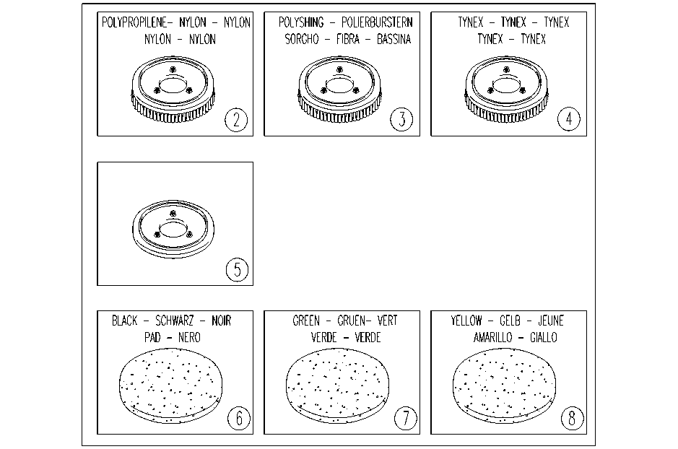

ITEM | SKU | DESCRIPTION
2 | E89497 | Scrub Brush for Foreman 28 (2 Required)
3 | AL03811 | #N/A
4 | E89498 | Strip Brush for Foreman 28 (2 Required)
5 | E89509 | Pad Driver for Foreman 28

